Charts1
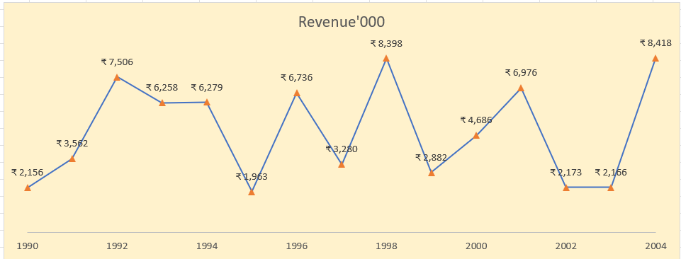
Create Line Chart with Proper formatting
Should be formatted as shown in picture

Date | Revenue'000
1990 | ₹ 2,156
1991 | ₹ 3,562
1992 | ₹ 7,506
1993 | ₹ 6,258
1994 | ₹ 6,279
1995 | ₹ 1,963
1996 | ₹ 6,736
1997 | ₹ 3,280
1998 | ₹ 8,398
1999 | ₹ 2,882
2000 | ₹ 4,686
2001 | ₹ 6,976
2002 | ₹ 2,173
2003 | ₹ 2,166
2004 | ₹ 8,418

Charts2
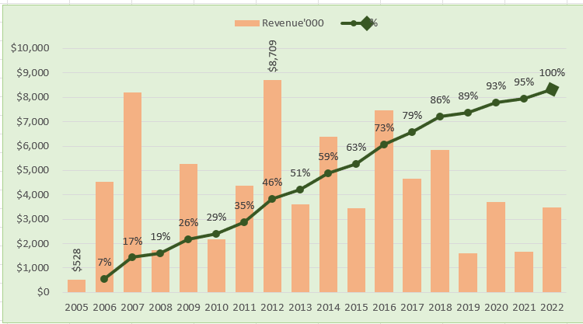
Create Combo Chart with Proper formatting
Should be formatted as shown in picture

Date | Revenue'000 | Running Total | %
2005 | $528
2006 | $4,550 | 5,078.00 | 7%
2007 | $8,189 | 13,267.00 | 17%
2008 | $1,730 | 14,997.00 | 19%
2009 | $5,262 | 20,259.00 | 26%
2010 | $2,172 | 22,431.00 | 29%
2011 | $4,384 | 26,815.00 | 35%
 | Revenue'000 | %
2005 | $528
2006 | $4,550 | 7%
2007 | $8,189 | 17%
2008 | $1,730 | 19%
2009 | $5,262 | 26%
2010 | $2,172 | 29%
2011 | $4,384 | 35%
2012 | $8,709 | 46%
2013 | $3,618 | 51%
2014 | $6,372 | 59%
2015 | $3,456 | 63%
2016 | $7,478 | 73%
2017 | $4,649 | 79%
2018 | $5,831 | 86%
2019 | $1,599 | 89%
2020 | $3,695 | 93%
2021 | $1,678 | 95%
2022 | $3,490 | 100%
2012 | $8,709 | 35,524.00 | 46%
2013 | $3,618 | 39,142.00 | 51%
2014 | $6,372 | 45,514.00 | 59%
2015 | $3,456 | 48,970.00 | 63%
2016 | $7,478 | 56,448.00 | 73%
2017 | $4,649 | 61,097.00 | 79%
2018 | $5,831 | 66,928.00 | 86%
2019 | $1,599 | 68,527.00 | 89%
2020 | $3,695 | 72,222.00 | 93%
2021 | $1,678 | 73,900.00 | 95%
2022 | $3,490 | 77,390.00 | 100%

Total | $77,390

3
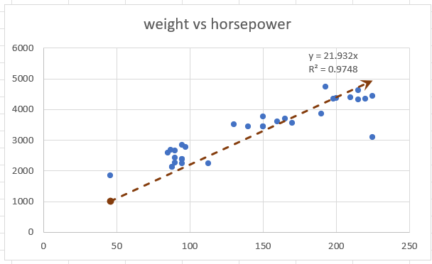
 | Create Scatter Chart with Proper formatting
 | Should be formatted as shown in picture
 | X | Y
 | horsepower | weight | (X-XBAR) | (Y-YBAR)
 | 130 | 3504 | -12.5 | 240.46875
 | 165 | 3693 | 22.5 | 429.46875
 | 150 | 3436 | 7.5 | 172.46875
 | 150 | 3433 | 7.5 | 169.46875
 | 140 | 3449 | -2.5 | 185.46875
 | 198 | 4341 | 55.5 | 1077.46875
 | 220 | 4354 | 77.5 | 1090.46875
 | 215 | 4312 | 72.5 | 1048.46875
 | 225 | 4425 | 82.5 | 1161.46875
 | 190 | 3850 | 47.5 | 586.46875
weight vs horsepower
 | 170 | 3563 | 27.5 | 299.46875
 | 160 | 3609 | 17.5 | 345.46875
 | 150 | 3761 | 7.5 | 497.46875
 | 225 | 3086 | 82.5 | -177.53125
 | 95 | 2372 | -47.5 | -891.53125
 | 95 | 2833 | -47.5 | -430.53125
 | 97 | 2774 | -45.5 | -489.53125
 | 85 | 2587 | -57.5 | -676.53125
 | 88 | 2130 | -54.5 | -1133.53125
 | 46 | 1835 | -96.5 | -1428.53125
 | 87 | 2672 | -55.5 | -591.53125
 | 90 | 2430 | -52.5 | -833.53125
 | 95 | 2375 | -47.5 | -888.53125
 | 113 | 2234 | -29.5 | -1029.53125
 | 90 | 2648 | -52.5 | -615.53125
 | 215 | 4615 | 72.5 | 1351.46875
 | 200 | 4376 | 57.5 | 1112.46875
 | 210 | 4382 | 67.5 | 1118.46875
 | 193 | 4732 | 50.5 | 1468.46875
 | 88 | 2130 | -54.5 | -1133.53125
 | 90 | 2264 | -52.5 | -999.53125
 | 95 | 2228 | -47.5 | -1035.53125

=AVERAGE(D6:D37) | 142.5 | 3263.53125

